Ch4a
GP1 | F4-12 |  | GP2 | 0.09756097561
F= | 20 | lb | F= | 80 | N
θ= | 30 | deg | θ= | 30 | deg
len1= | 5 | in | θ= | 40 | deg
len2= | 18 | in |  | x | y | z
Fx= | 17.32 | lb |  | 300 | 400 | -200
Fy= | 10 | lb |  | 250
MA= | -361.77 | in*lb | rAC= | 550 | 400 | -200 | mm

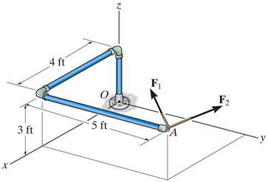
 |  |  |  | i | j | k
 |  |  | F= | 44.53 | 53.07 | 40 | N

 |  |  | MA= | 0.55 | 0.4 | 0.2 | m
 |  |  |  | 44.53 | 53.07 | 40 | N

 |  |  | MA= | 5.39 | 13.1 | 11.4 | N*m

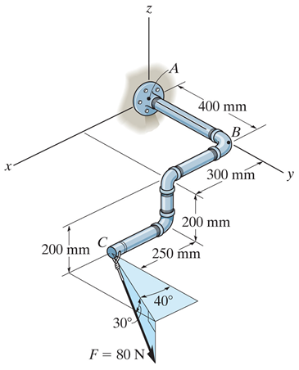

Ch4b
F4-15 |  |  |  |  |  | 4-51
 | F= | 200 | N |  |  |  | F= | 24 | lb
 | θ= | 120 | deg |  |  |  | u= | j
 | θ= | 60 | deg
 | θ= | 45 | deg |  |  |  |  | x | y | z
 |  | x | y | z |  |  |  | -2 | 2 | 4
 |  | 0 | 0.3 | 0.25
 | rOA= | 0 | 0.3 | 0.25 | m |  | rAB= | -2 | 2 | 4 | ft
 |  |  |  |  |  |  | rAB= | 4.899 |  |  | ft
 | u= | 1 |  |  |  |  | F= | 4.899

 |  | i | j | k |  |  |  | i | j | k
 | F= | -100 | 100 | 141.4 | N*m |  | My= | 0 | 1 | 0
 |  |  |  |  |  |  |  | 4 | 0 | 0
 | Mz= | 1 | 0 | 0 |  |  |  | -9.8 | 9.8 | 19.6
 |  | 0 | 0.3 | 0.25
 |  | -100 | 100 | 141.4 |  |  | My= | -78.38 | lb*ft | CCW
 |  |  |  |  |  |  |  | 78.38 | lb*ft | CW
 | Mz= | 17.43 | N*m | CCW

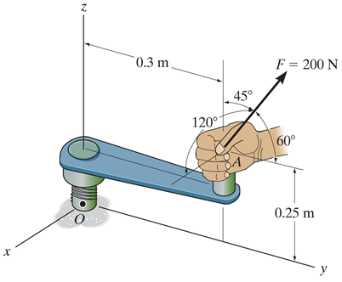
Given: A force is applied to the tool as shown.
Find: The magnitude of the moment of this force about the x axis of the value.
Plan:
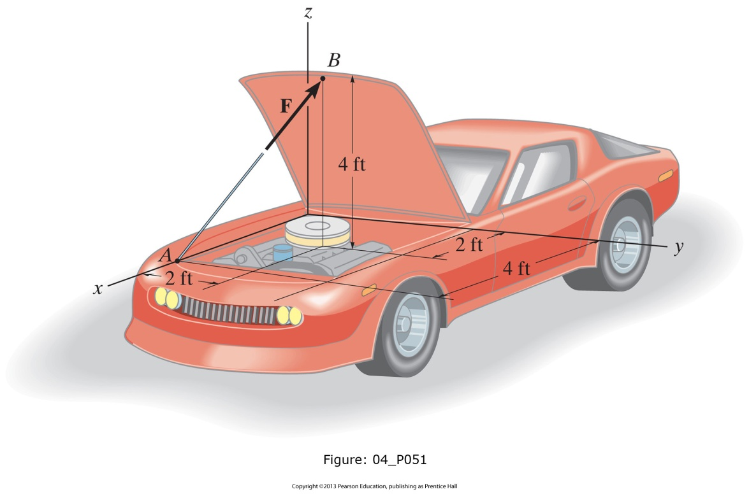

Ch4c
F4-21 |  |  |  |  | F4-24
 | dx= | 0.9 | m |  |  | FA= | 450 | N
 | dy= | 0.3 | m |  |  | FB= | 450 | N
 | Mo= | 1.5 | kN*m |  |  |  | 0.4 | m
 |  | 2 | kN |  |  |  | 0.3 | m
 |  |  |  |  |  |  | 0.8
 | F= | -2.33 | kN |  |  |  | 0.6

 |  |  |  |  |  |  | i | j | k
 |  |  |  |  |  | rAB= | 0.4 | 0 | 0 | m
 |  |  |  |  |  | FB= | 0 | 360 | -270 | N
 |  |  |  |  |  | M= | 0 | 108 | 144 | N*m

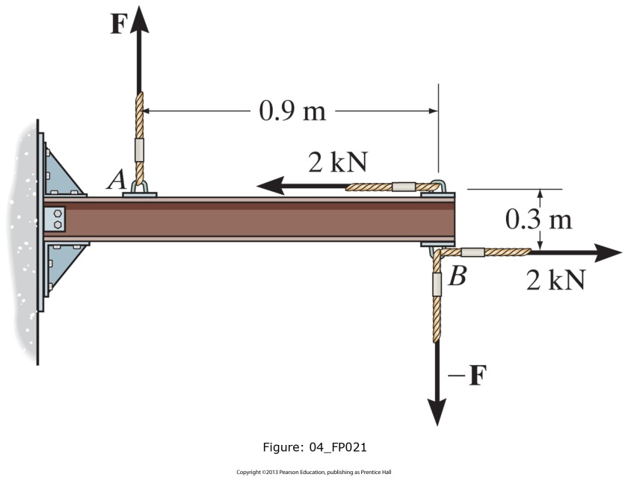
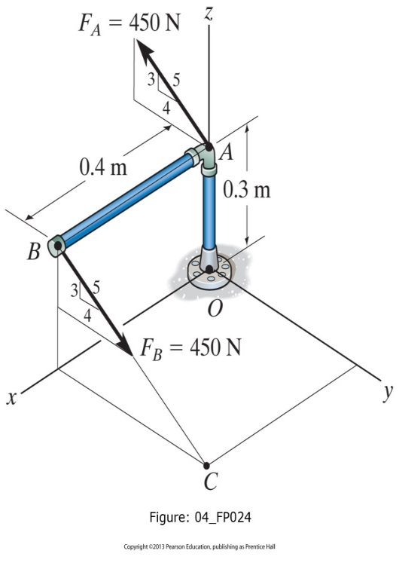

4-80 |  |  |  |  | 4-92
 | F13= | 300 | lb |  |  | d1= | 0.3 | m
 | F24= | 150 | lb |  |  | d2= | 0.2 | m
 |  | 0.6 |  |  |  |  | i | j | k
 |  | 0.8 |  |  |  | F= | 0 | 0 | 15 | N
 | θ= | 30 | deg |  |  | rAB= | 0.1 | 0.5 | 0 | m
 | d= | 2 | ft |  |  | M= | 7.5 | 1.5 | 0 | N*m
 | F13x= | 180 | lb
 | F13y= | 240 | lb
 | F24x= | 129.90381057 | lb
 | F24y= | 75 | lb

 | M= | -739.81 | ft*lb | CCW
 | M= | 739.81 | ft*lb | CW

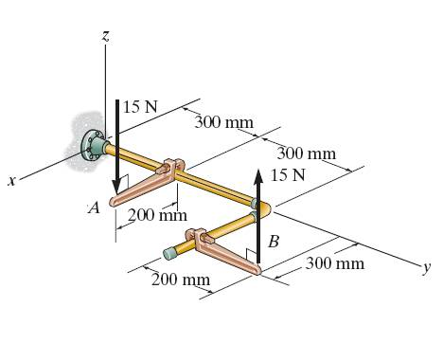

Ch4d
F4-32 |  |  |  |  | F4-35
 | F1= | 200 | lb |  |  | F1= | 500 | N
 | F2= | 100 | lb |  |  | F2= | 400 | N
 | F3= | 50 | lb |  |  | F3= | 100 | N
 | distance= | 3 | ft |  |  | d1= | 3 | m
 | ang= | 30 | deg |  |  | d2= | 4 | m
 | Xrat= | 0.6 |  |  |  | FRO= | -800 | kN
 | Yrat= | 0.8 |  |  |  |  | i | j | k
 |  |  |  |  |  | d= | 3 | 4 | 0 | m
 | (FR)x= | 85 | lb |  |  | d= | 4 | 0 | 0 | m
 | (FR)y= | 163.3 | lb |  |  |  | -2000 | 2000 | 0
 |  |  |  |  |  |  | -1600 | -300 | 0
 | MRA= | 509.7 | lb*ft |  |  | MRO= | -3600 | 1700 | 0 | N*m
 | FR= | 184.1 | lb
 | θ= | 62.5 | deg |  |  | x= | 2.13 | m
 | d= | 3.12 | ft |  |  | y= | 4.5 | m

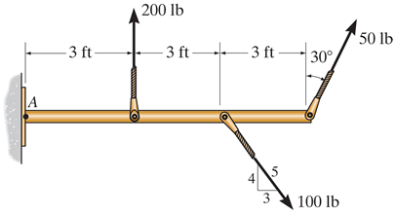
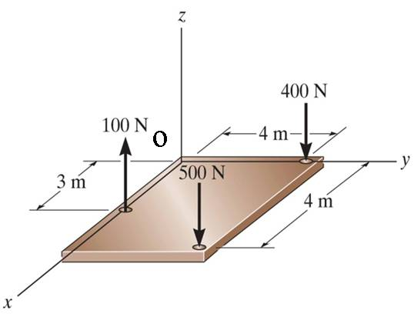

F4-118 |  |  |  |  |  | GP 2
 | F1= | 450 | N |  |  |  |  | i | j | k
 | F2= | 300 | N |  |  |  | F1= | -20 | -10 | 25 | lb
 | F3= | 700 | N |  |  |  | F2= | -10 | 25 | 20 | lb
 | θ= | 30 | deg |  |  |  | FRO= | -30 | 15 | 45 | lb
 | θ= | 60 | deg |  |  |  | MO1= | 1.5 | 2 | 0 | ft
 | d1= | 2 | m |  |  |  |  | -20 | -10 | 25 | lb
 | d2= | 6 | m |  |  |  | MO2= | 1.5 | 4 | 2 | ft
 | d3= | 9 | m |  |  |  |  | -10 | 25 | 20 | lb
 | MO= | 1500 | N*m |  |  |  | MRO1= | 50 | 37.5 | 25 | lb*ft
 | Σy= | -1039.7114317 | N | -1296 |  |  | MRO2= | 30 | -50 | 77.5 | lb*ft
 | Σx= | -125 | N
 | FRA= | 1047.20 | N | 1302 |  |  | MRO= | 80 | -12.5 | 102.5 | lb*ft
 | θ= | 83.14 | deg | 84.5
 | MRA= | 9535 | N*m

